Diag - RAG Assistant
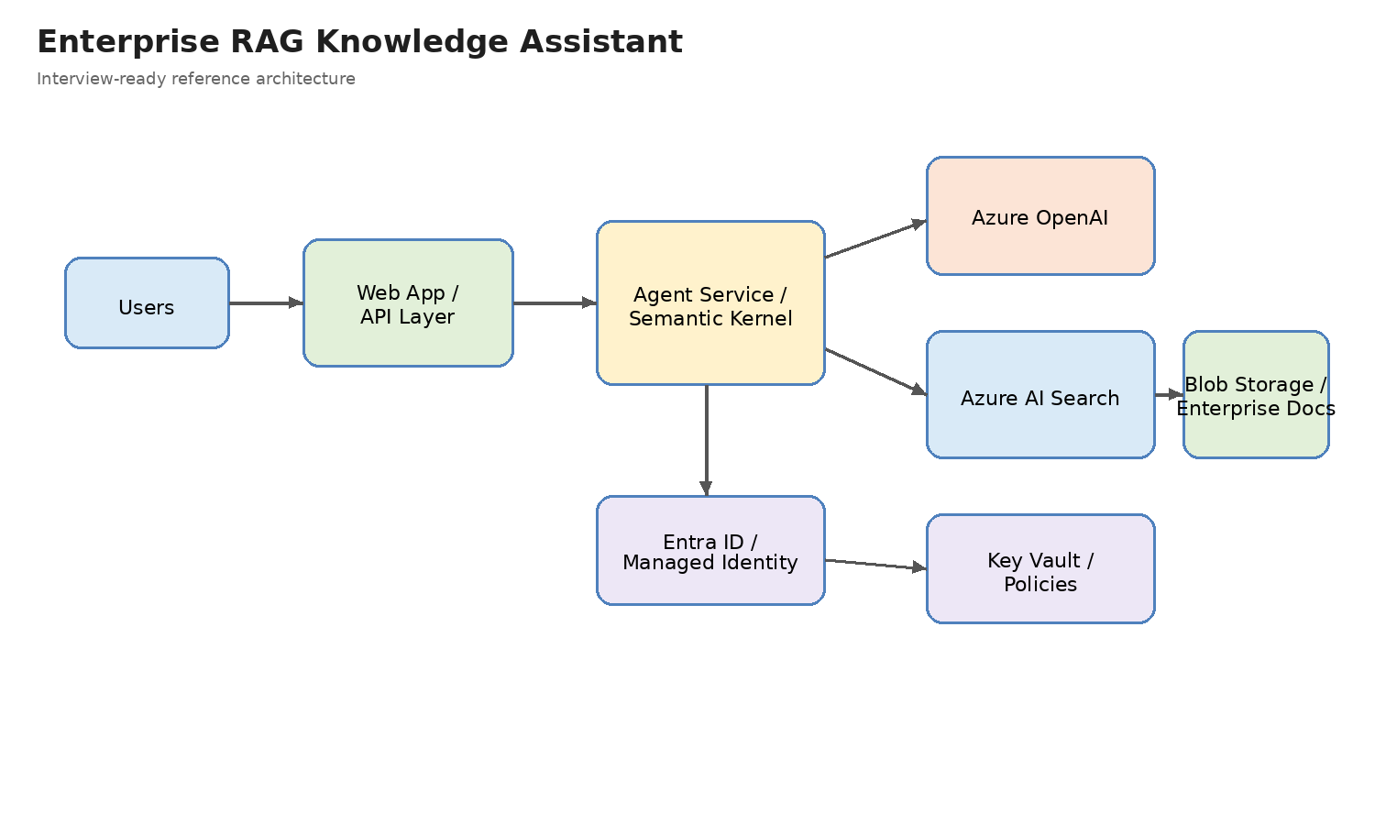
Enterprise RAG Knowledge Assistant
Interview Architecture Diagram

How to present this in interview
• Use this to explain enterprise grounding, AI Search, and secure document access.
• Show how the agent uses Azure OpenAI + Azure AI Search + enterprise docs.
• Talk through identity, policy, and data access control.

Diag - Multi-Agent
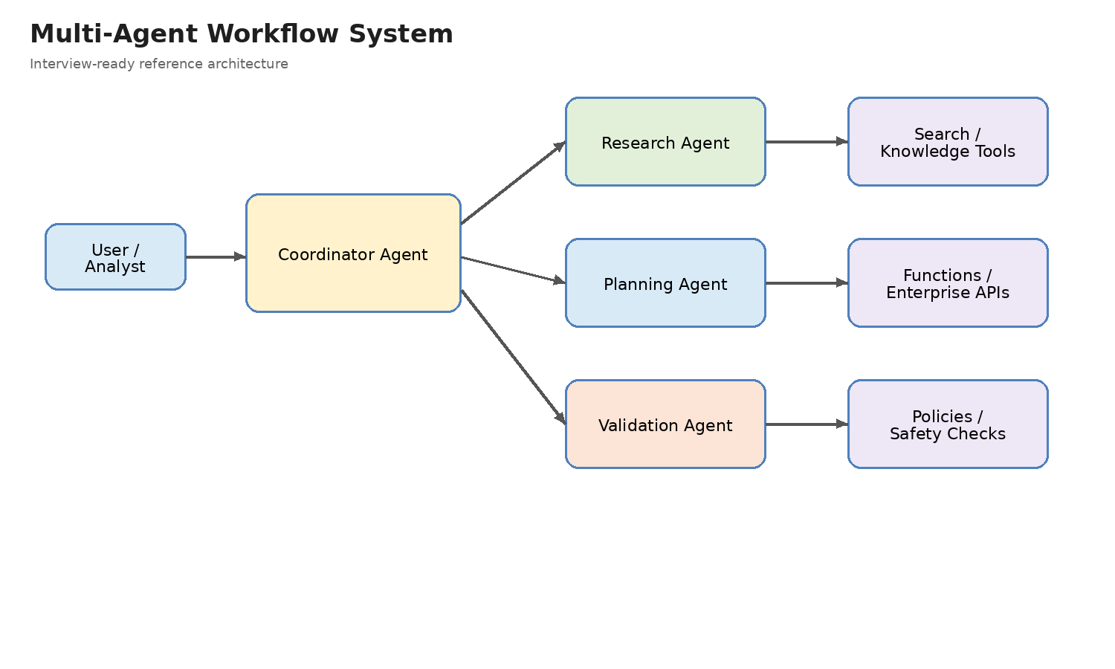
Multi-Agent Workflow System
Interview Architecture Diagram

How to present this in interview
• Use this to explain coordination vs worker agents.
• Show clear division of responsibilities between agents and tools.
• Explain when multi-agent is justified and when it is overkill.

Diag - API Integration
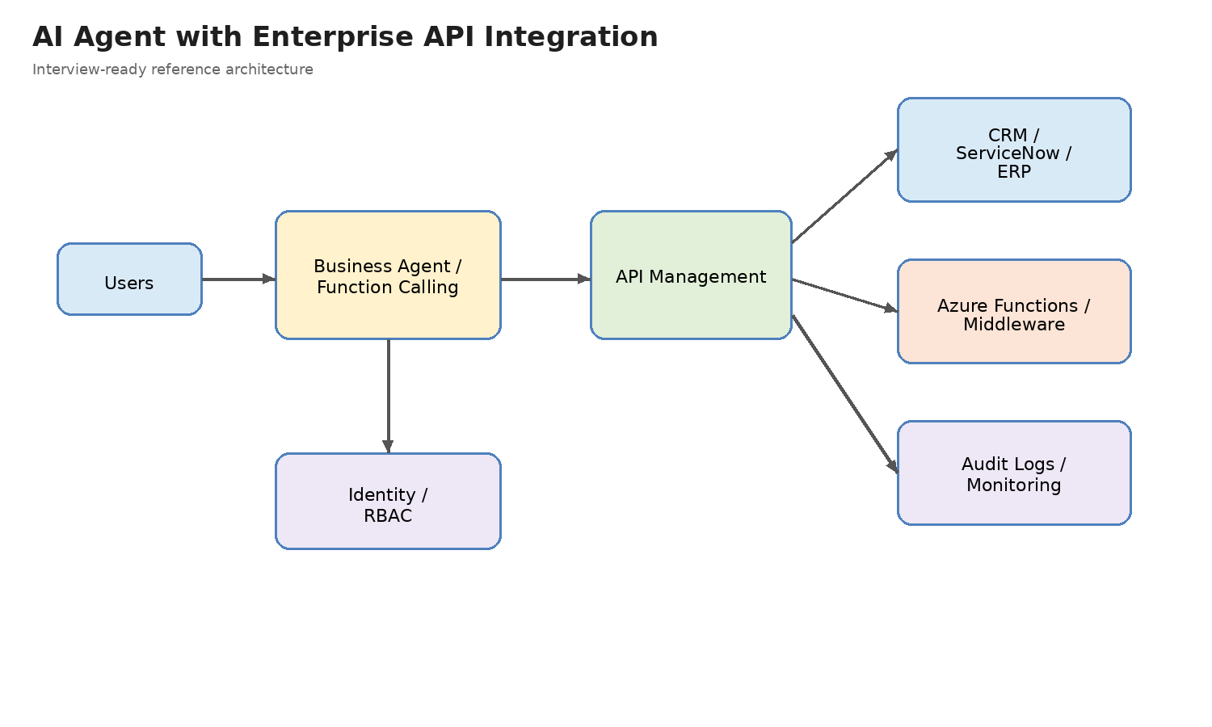
AI Agent with Enterprise API Integration
Interview Architecture Diagram

How to present this in interview
• Use this to explain function calling and enterprise workflow automation.
• Show API Management / middleware / audit path.
• Good interview story for operational business impact.

Diag - Secure AI
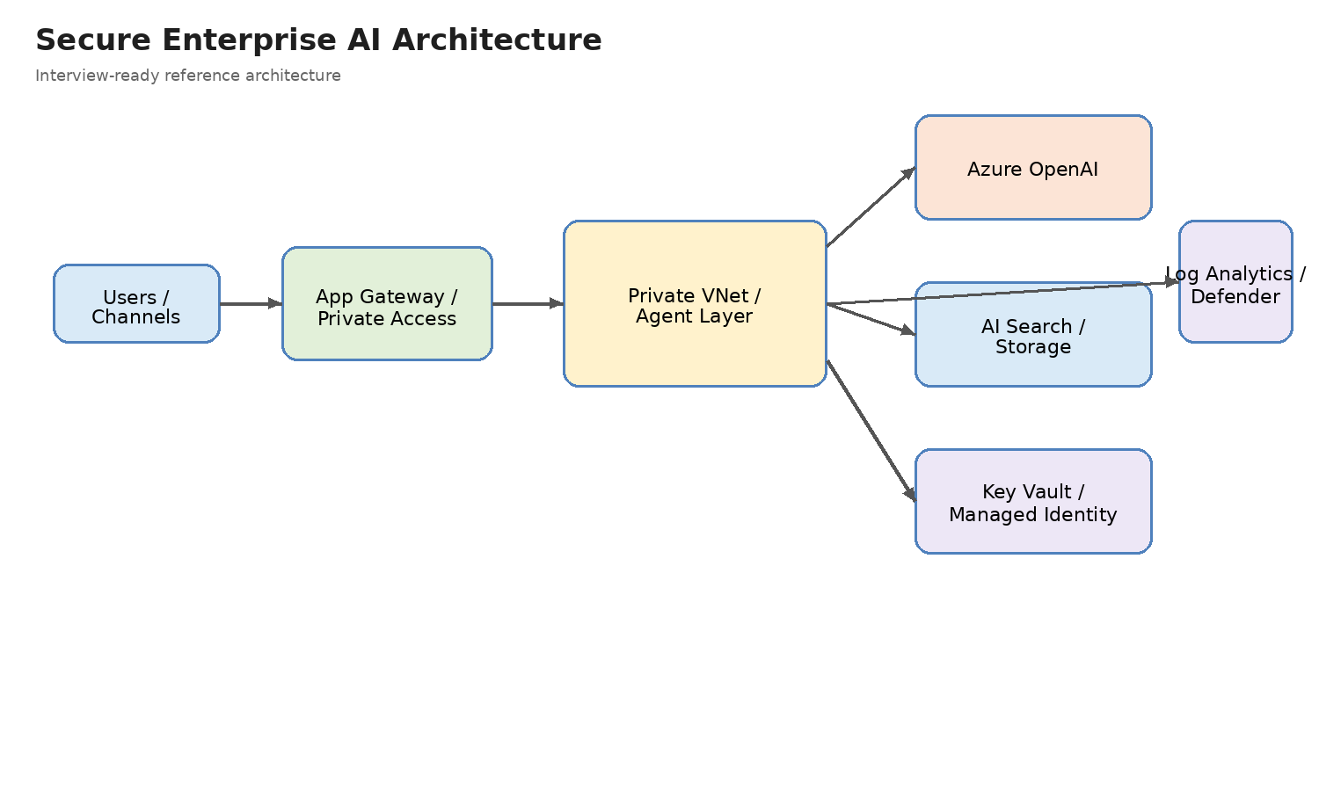
Secure Enterprise AI Architecture
Interview Architecture Diagram

How to present this in interview
• Use this to explain private networking, identity, secrets, and monitoring.
• Show why secure design matters for regulated workloads.
• Good for architecture and governance interviews.

Diag - Capstone
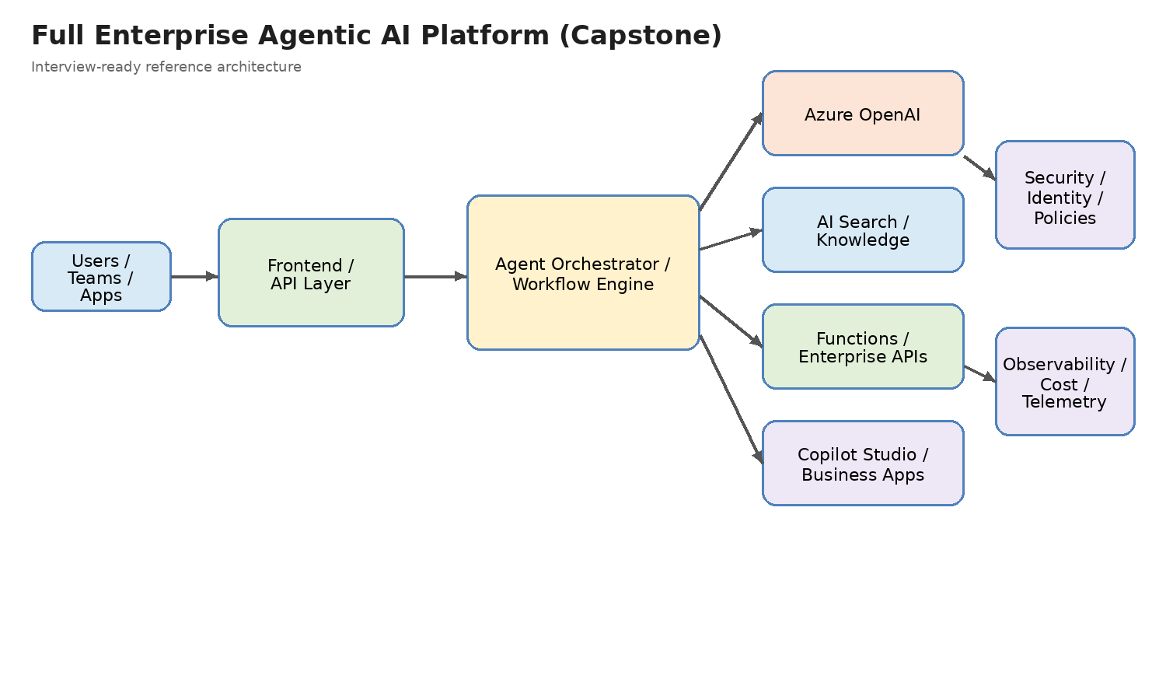
Full Enterprise Agentic AI Platform (Capstone)
Interview Architecture Diagram

How to present this in interview
• Use this as your end-to-end reference architecture.
• It combines RAG, agents, business-app integration, security, and observability.
• This is the strongest interview diagram in the workbook.

Diag - MS Agentic AI Ref
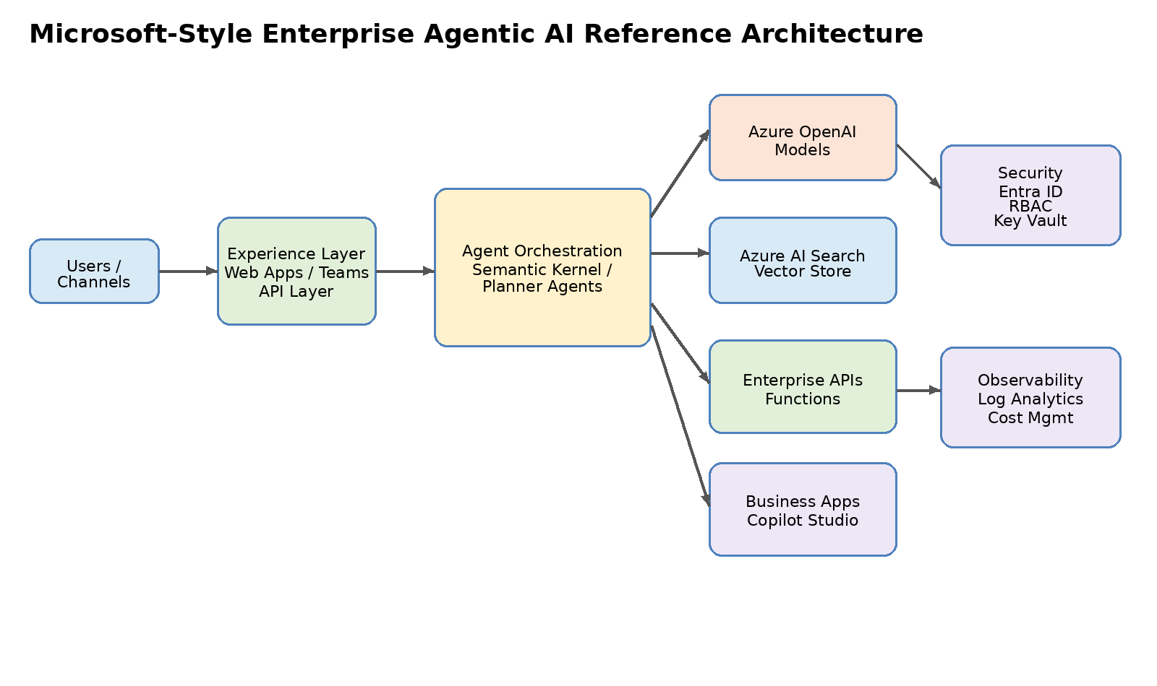
Microsoft Agentic AI Platform Reference

How to explain this architecture in interviews:
• Experience layer handles user interaction.
• Agent orchestration layer coordinates tasks.
• AI services provide reasoning and retrieval.
• Enterprise integration connects business systems.
• Governance layer ensures security and monitoring.

